2026
City of Norfolk Commissioner of the Revenue
2026 Annual Return of Business Tangible Personal Property for Reporting Purposes
***Instructions Attached***

Business Name: |  |  |  | Form Completed by : Contact Information including Phone and Email
Account/Item#

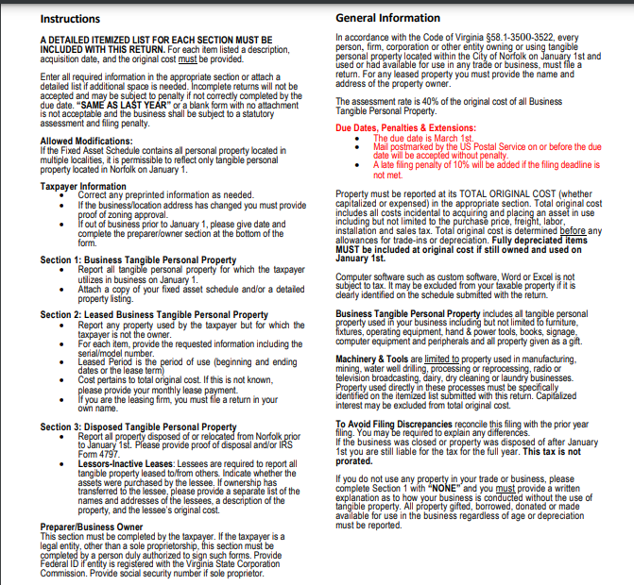
ORIGINAL COST FOR ALL ASSETS TO REPORT :
Please report ALL assets regardless of age, depreciation, or how it was obtained (donated, free, borrowed, leased or otherwise.)
USED, DEPRECIATED, OR ESTIMATED COSTS WILL NOT BE ACCEPTED. *The original cost basis is the full capitalized or expensed original cost, including sales tax, freight, setup, and installation of all business tangible personal property.

Section 1: ALL Business Tangible Personal Property |  |  |  |  | Section 3:
Asset # | Date | Description | Quantity | Original Cost* | Disposals | Total Cost
1 |  |  |  |  |  | $0.00
2 |  |  |  |  |  | $0.00
3 |  |  |  |  |  | $0.00
4 |  |  |  |  |  | $0.00
5 |  |  |  |  |  | $0.00
6 |  |  |  |  |  | $0.00
7 |  |  |  |  |  | $0.00
8 |  |  |  |  |  | $0.00
9 |  |  |  |  |  | $0.00
10 |  |  |  |  |  | $0.00
11 |  |  |  |  |  | $0.00
12 |  |  |  |  |  | $0.00
13 |  |  |  |  |  | $0.00
14 |  |  |  |  |  | $0.00
15 |  |  |  |  |  | $0.00
16 |  |  |  |  |  | $0.00
17 |  |  |  |  |  | $0.00
18 |  |  |  |  |  | $0.00
19 |  |  |  |  |  | $0.00
20 |  |  |  |  |  | $0.00
21 |  |  |  |  |  | $0.00
22 |  |  |  |  |  | $0.00
23 |  |  |  |  |  | $0.00
24 |  |  |  |  |  | $0.00
25 |  |  |  |  |  | $0.00
26 |  |  |  |  |  | $0.00
27 |  |  |  |  |  | $0.00
28 |  |  |  |  |  | $0.00
29 |  |  |  |  |  | $0.00
30 |  |  |  |  |  | $0.00

Totals |  |  |  | $0.00 | $0.00 | $0.00

Section 2: Leased Business Tangible Personal Property
Asset # | Date | Description with VIN/Asset/ID# | Quantity | Original Cost* | Contact Info: | Total Cost
1 |  |  |  |  |  | $0.00
2 |  |  |  |  |  | $0.00
3 |  |  |  |  |  | $0.00
4 |  |  |  |  |  | $0.00
5 |  |  |  |  |  | $0.00

